Main
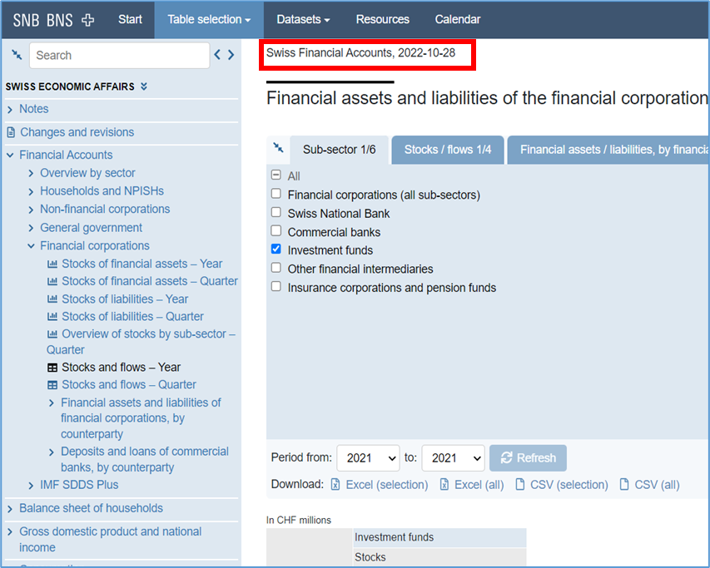
16. Navigate to:
https://data.snb.ch/en/topics/uvo/cube/frsekfutsek?dimSel=D0(ANF),D1(BES),D2(T4,POI),D3(AUS)

17. Set the "Period from" to most recent year. Click "Refresh"

18. Data will be displayed in the table format, save the entire table.
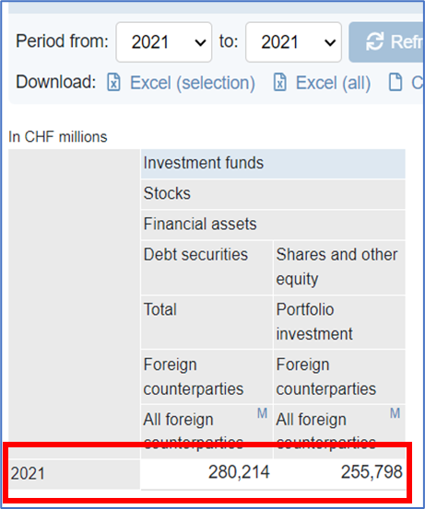

Each release must be saved in a separate DATA / META file as the data appears in the source.

NEXT_RELEASE_DATE - Check for new data daily starting on the first business day of January of the following year.

LAST_RELEASE_DATE:
For link (SNB BNS source) - https://data.snb.ch/en/topics/uvo/cube/frsekfutsek?dimSel=D0(ANF),D1(BES),D2(T4,POI),D3(AUS) - the date is on the website.

LAST_RELEASE_DATE in the META file is indicated only during the first data upload to the platform.
After the first data inject - the column must be deleted and the META file should be used without it.

Start save data with the latest release (without historical data).

If the value is indicated as "..." in the source, then it can be saved as NA.

example

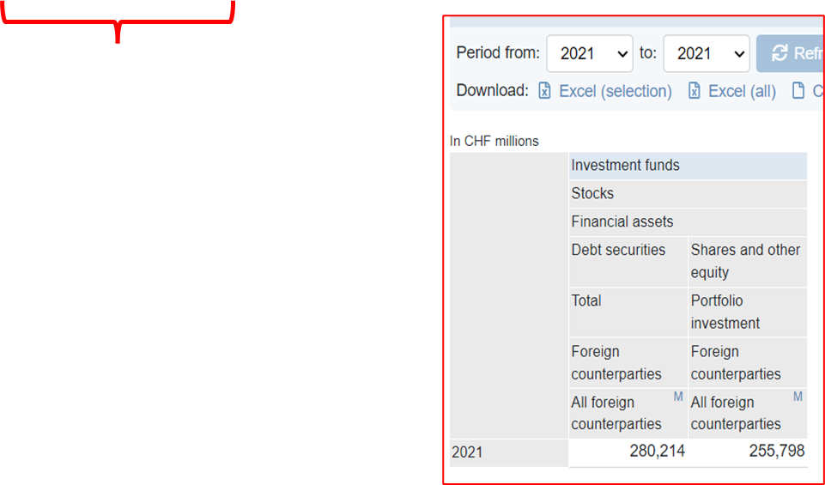
 | SASD.CHE.FADEBTSEC.A | SASD.CHE.FAPORTINV.A
 | Switzerland, Financial assets, Debt securities, Total | Switzerland, Financial assets, Shares and other equity, Portfolio investment
2021 | 280214 | 255798

